Main
PIONEER SERVICES

30-Apr-25

Project summary
Project Liabilities

Supplier Records
Monthy Break-up

Profit Sharing
Sub Contractors

Total
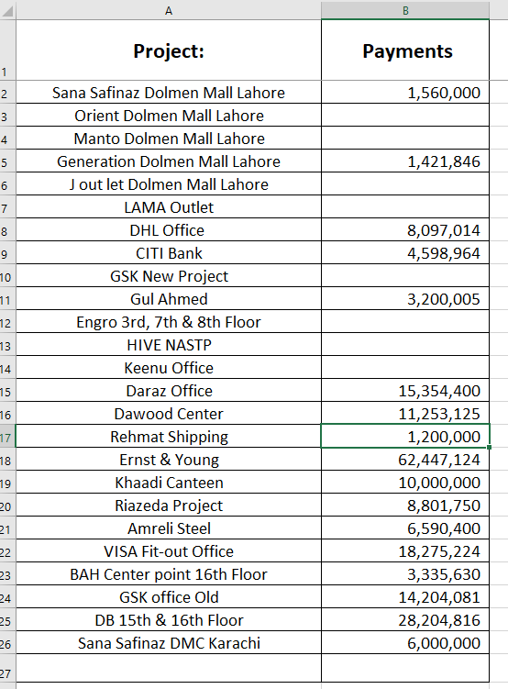
Project: | Details | Receivable | Received | Net Receivable | Remarks
Meezan Bank Head Office
Standard Chartered | Final Bill | 10,820,076 | 7,120,000 | 3,700,076 | Retention remaining
Mother Care | Final Bill + Variation | 8,268,571 | 2,000,000 | 6,268,571
OT Area JPMC | Retention | 455,879 |  | 455,879
Psychitry department | Retention | 898,242 |  | 898,242

 |  |  |  | 11,322,768

IK
Project: | BOQ Amount | Disc % | Discount Amount | Work Order | Bill Verified | Variations | Total Work Done | Add 4.5% | Gross Deal | Received | Total Payable
Fortress Mall Lahore J outlet |  |  | - | - |  |  | - | - | - | - | -
KANTEEN Islamabad |  |  | - | - |  |  | - | - | - | 2,507,373 | (2,507,373)
State Life Insurance |  |  | - | - |  |  | - | - | - | 4,701,594 | (4,701,594)
j outlet lucky one mall |  |  | - | - |  |  | - | - | - | 10,942,256 | (10,942,256)
Mall of pindi |  |  | - | - |  |  | - | - | - | - | -
Zeta Mall |  |  | - | - |  |  | - | - | - | 4,700,000 | (4,700,000)
Engro 7th Floor |  |  | - | - |  |  | - | - | - | 8,508,670 | (8,508,670)
Orient DML | 2,880,705 | 7% | 201,649 | 2,679,056 |  |  | - | - | - | 2,148,981 | (2,148,981)
Manto DML | 1,884,625 | 10% | 188,463 | 1,696,163 |  |  | - | - | - | 1,358,848 | (1,358,848)
Generation DML | 6,181,940 | 8% | 494,555 | 5,687,385 |  |  | - | - | - | 5,645,132 | (5,645,132) | ok
CITI Bank | 47,244,461 | 8% | 3,779,557 | 43,464,904 |  |  | - | - | - | 34,584,900 | (34,584,900) | ok
J out let DML | 28,834,775 | ---- | 4,334,775 | 24,500,000 |  |  | - | - | - | 9,001,008 | (9,001,008)
Gul Ahmed | 18,946,080 | 15% | 2,841,912 | 16,104,168 |  |  | - | - | - | 8,907,586 | (8,907,586) | ok
Sana Safinaz DML | 9,488,782 | ---- | 1,688,782 | 7,800,000 |  |  | - | - | - | 9,167,409 | (9,167,409) | ok
Engro 7th Floor |  | 10% | - | 21,222,191 |  |  | - | - | - | 8,508,670 | (8,508,670)
Engro 3rd & 8th Floor |  | 10% | - | 38,954,416 |  |  | - | - | - | 22,898,454 | (22,898,454)
HIVE NASTP |  |  |  |  |  |  | - | - | - | - | -
Keenu Office |  |  |  | - |  |  | - | - | - | 120,000 | (120,000)
LAMA Outlet |  |  | - | - | 1,169,508 | 391,569 | 1,561,077 | 70,248 | 1,631,325 | 1,631,326 | (1)
DHL Office | 11,500,000 |  | - | 11,500,000 | 8,507,790 | 2,067,598 | 10,575,388 | 475,892 | 11,051,280 | 9,028,164 | 2,023,116 | ok
CITI Bank | 47,244,461 | 8% | 3,779,557 | 43,464,904 | 43,464,904 | 1,621,492 | 45,086,396 | 2,028,888 | 47,115,284 | 34,584,900 | 12,530,384 | ok
Daraz Office |  |  |  | 11,816,000 | 5,721,872 | 11,816,000 | 17,537,872 | 789,204 | 18,327,076 | 19,320,233 | (993,157) |  | 15,354,400 | (3,965,833)
Dawood Center |  |  |  | - | 11,760,000 | 111,360 | 11,871,360 | 534,211 | 12,405,571 | 11,253,125 | 1,152,446 | ok
Rehmat Shipping | 5,138,700 | ---- | 138,700 | 5,000,000 | 5,000,000 | 139,008 | 5,139,008 | 231,255 | 5,370,263 | 2,900,094 | 2,470,169 | ok
Ernst & Young | 76,247,090 | 12% | 9,149,651 | 67,097,439 |  |  | 67,097,439 | 3,019,385 | 70,116,824 | 62,447,124 | 7,669,700 | ok
Riazeda Project |  |  |  | 9,265,000 | 9,265,000 | 1,179,300 | 10,444,300 | 469,994 | 10,914,294 | 9,632,939 | 1,281,355 |  | 8,801,750 | (831,189)
Amreli Steel | 9,435,400 |  |  | 9,435,400 | 7,634,181 | 1,355,781 | 8,989,962 | 404,548 | 9,394,510 | 6,590,400 | 2,804,110 | ok
BAH Center point | 7,767,350 |  |  | 7,767,350 | 4,180,000 | 657,480 | 4,837,480 | 217,687 | 5,055,167 | 3,185,630 | 1,869,537 |  | 3,335,630 | 150,000
GSK office | 12,161,762 |  |  | 12,161,762 | 12,508,884 | 1,879,892 | 14,388,776 | 647,495 | 15,036,270 | 15,076,754 | (40,484) | ok
DB 15th & 16th Floor | 24,512,695 |  |  | 24,512,695 | 26,121,172 | 3,571,369 | 29,692,541 | 1,336,164 | 31,028,705 | 34,328,128 | (3,299,423) |  | 28,204,816 | (6,123,312)
Sana Safinaz | 5,842,450 |  | 188,450 | 5,654,000 | 5,866,320 | 1,099,464 | 6,965,784 | 313,460 | 7,279,245 | 7,279,245 | (0) | ok
 |  |  |  |  |  |  |  |  | 244,725,815 | 319,599,050 | (76,116,757)

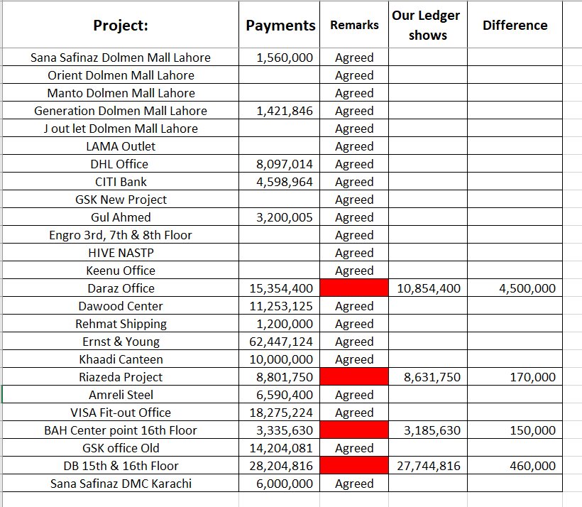

 | TAHA PROJECTS

 | Riazeda
 | Amreli
 | Dawood
 | Daraz
 | HIVE
 | Gul Ahmed DHL
 | DHL

